Start
Intro
 | There is a companion AI installer in |  |  | Also:
 |  | C:\Advanced Installer\Projects\Common\Custom Actions\CA-Test-Installers |  |  | on G:\SharedDrives\Tech\Advanced Installer\Testing
 |  |  | 3D-1902-Loud-FindIns-RemCAs.aip
 | where all these ideas were worked out and tested. |  |  |  |  | lies | install_3d_1900_IA_NoCache_Cant_UnInstall.exe

 | It pretends to be a RISA-3D installer - and installs some of the files 3D needs |  |  |  |  |  | this product can be installed but cannot be removed programmatically
 |  | but is extremely stripped down in order to prototype, test and document CA usage. |  |  |  |  | useful for testing RemoveInstalledProduct CA

 | There is nothing sacrosanct about this installer, feel free to change it as needed. |  |  |  |  | it's like a rare bird, and I saved it should it ever be needed again

 | If you choose to build it, at the very least the Build Output directories will need to be tailored to your enviroment.

 | Interesting tid-bit about CustomActions
 |  | Even though they're declared static, each time a CustomAction is invoked, it's a fresh DLL
 |  |  | State set in this library, even though declared statically, can't be passed to the next CA that's called

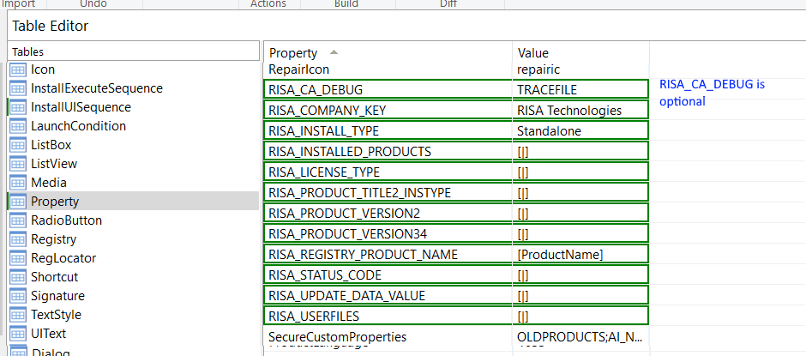
Start
 | Via the table editor, setup these properties -->

 |  | see | AI RISA Installer Properties.xlsx

 |  | in the Documentation directory
 |  | for details about each

Define CAs to AI
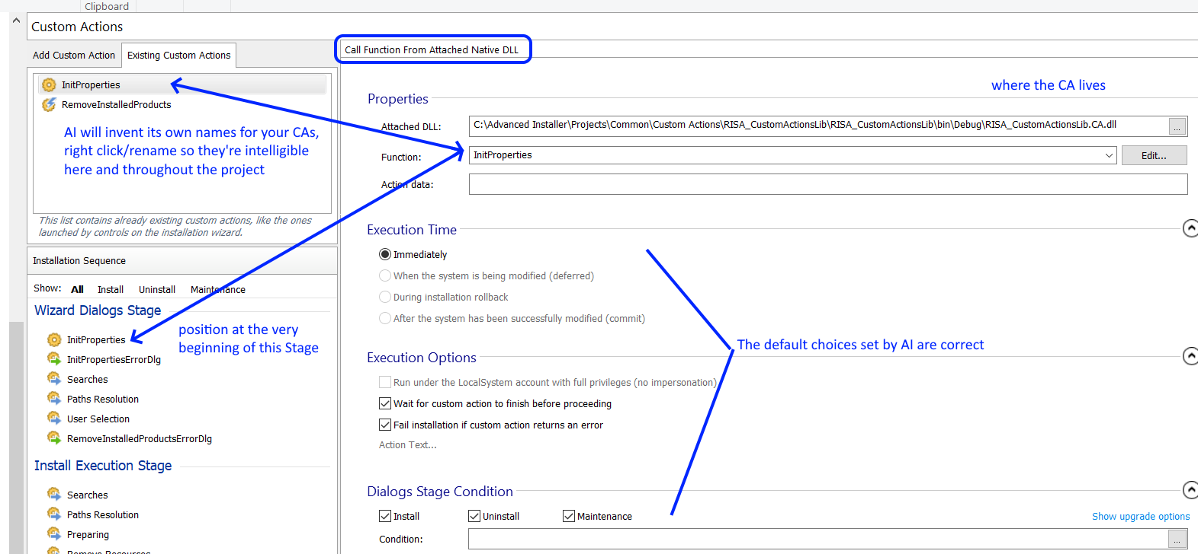
Add the InitProperties and RemoveInstalledProducts CustomActions

 | adding a Wix DTF custom action (at least one that's tied to a sequence) is detailed in AI's documentation:
 |  | https://www.advancedinstaller.com/user-guide/qa-tutorial-using-custom-actions.html

 | for both CAs, use the dialog below to integrate them into the installer via the "Call function from attached native DLL" choice:

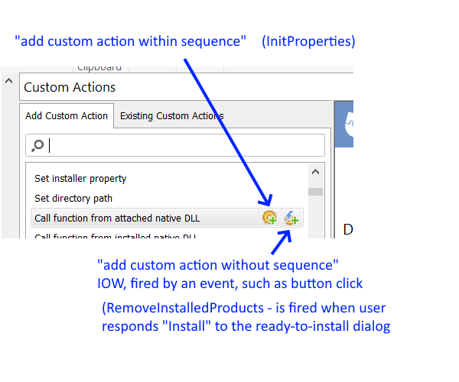

 |  |  | InitProperties appears in sequence, so the left button is used to define it

 |  |  | RemoveInstalledProducts appears in response to an event, so the right button is used

 | InitProperties should end up looking like this; similar renaming should be done for RemoveInstalledProducts

InitProps err dlg
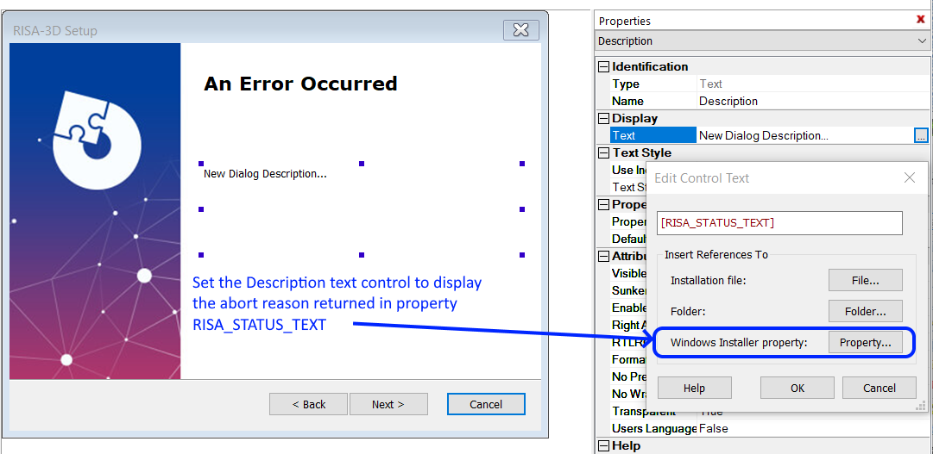
Create the error handling dialog to handle problems detected in InitProperties

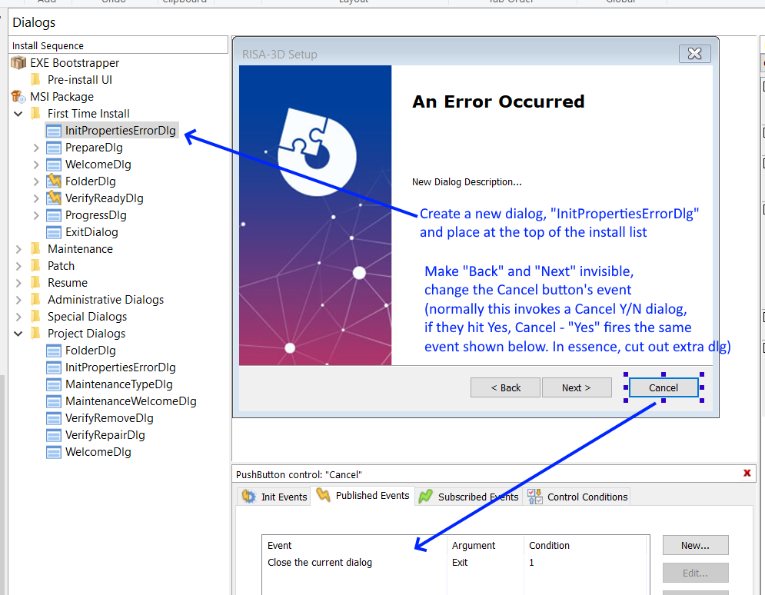

 |  | Change "New Dialog" title to
 |  | "An Error Occurred" or similar

 |  | The Cancel button's text should probably be
 |  | changed to "Exit" or something final-sounding

 |  | <--The confusing verbiage explained:

 |  | When this dialog is created, AI also creates a
 |  |  | CancelDialog that's fired when user presses Cancel
 |  |  | This is just a Y/N confirmation, are you sure

 |  | We don't want to show this CancelDialog, instead we copy the event that its Yes-Cancel choice fires
 |  | and set the Cancel button at left to fire it, short circuiting the call to this CancelDialog
 |  | AI sees this, and removes CancelDialog from the dialog tree, in the leftmost part of the picture

 |  | Getting the Cancel button to fire the correct event involves:
 |  |  | selecting the Cancel button as shown above
 |  |  | and selecting "Close the current dialog" from the choices

 | Change the "New Dialog Description" text box to instead display the contents of RISA_STATUS_TEXT

InitProps sequence
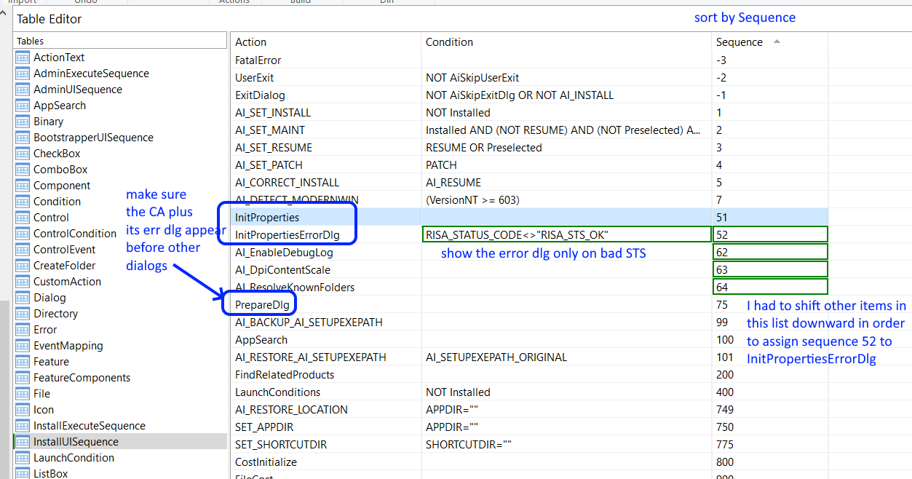
Goto the Table Editor and make final adjustments for InitProperties and its error dialog

call RemoveInstalled CA
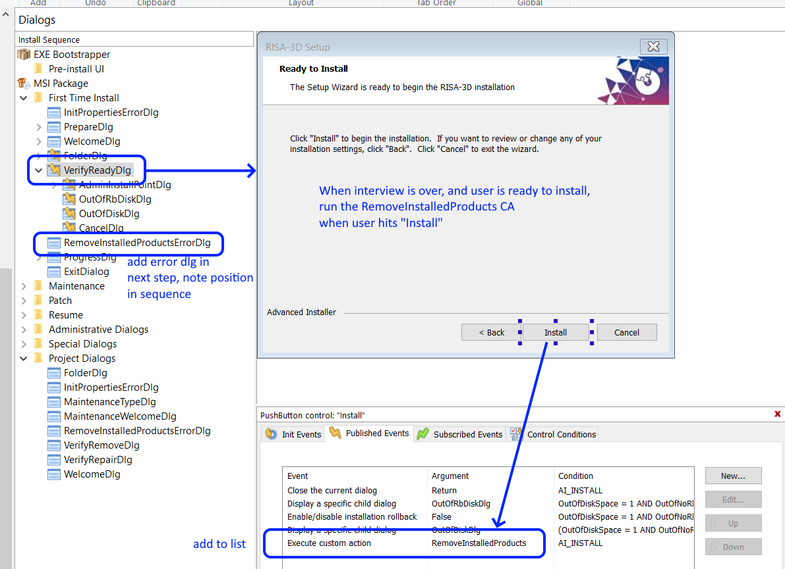
Hook up the RemoveInstalledProducts CA - recall that it is out of sequence and is triggered by event
 | here we tell AI to call this CA when user presses "Install" on the "Ready to Install" dialog

RemoveInstalledErrDlg
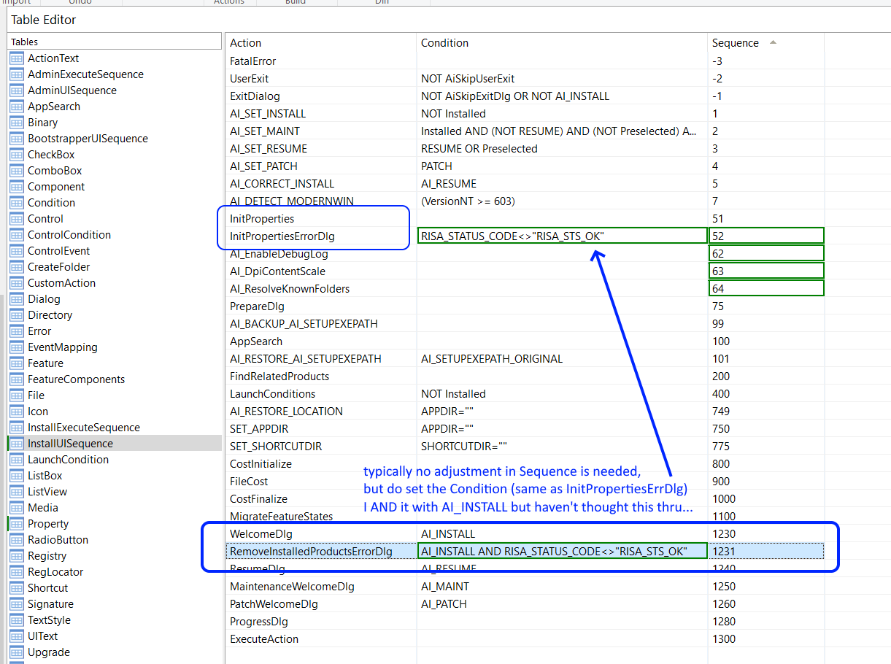
Create the RemoveInstalledProductsErrDlg - it's identical to the one created for InitProperties, but take care where it's positioned in the sequence

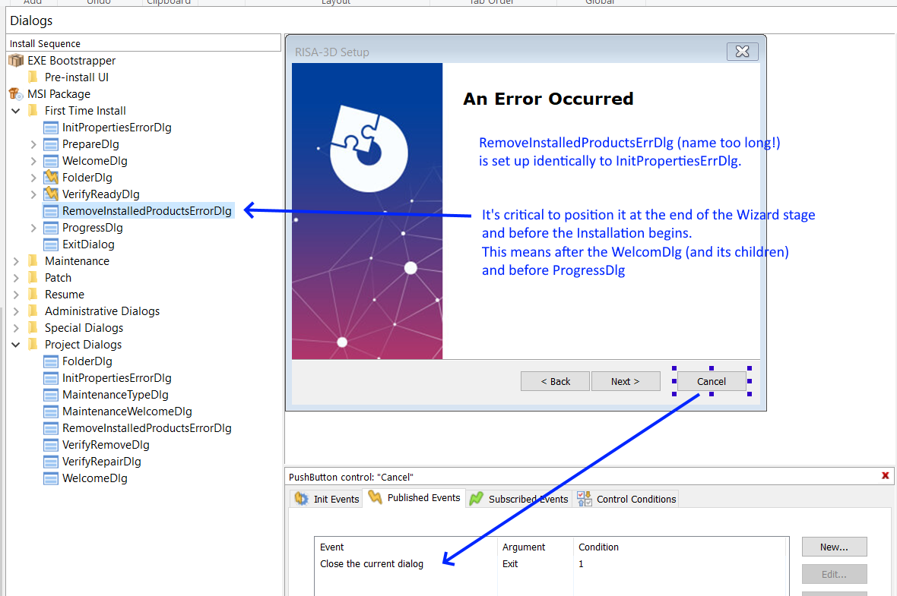

Visit the Table Editor - and set the Dialog's Condition

